ClotQuant2-BD
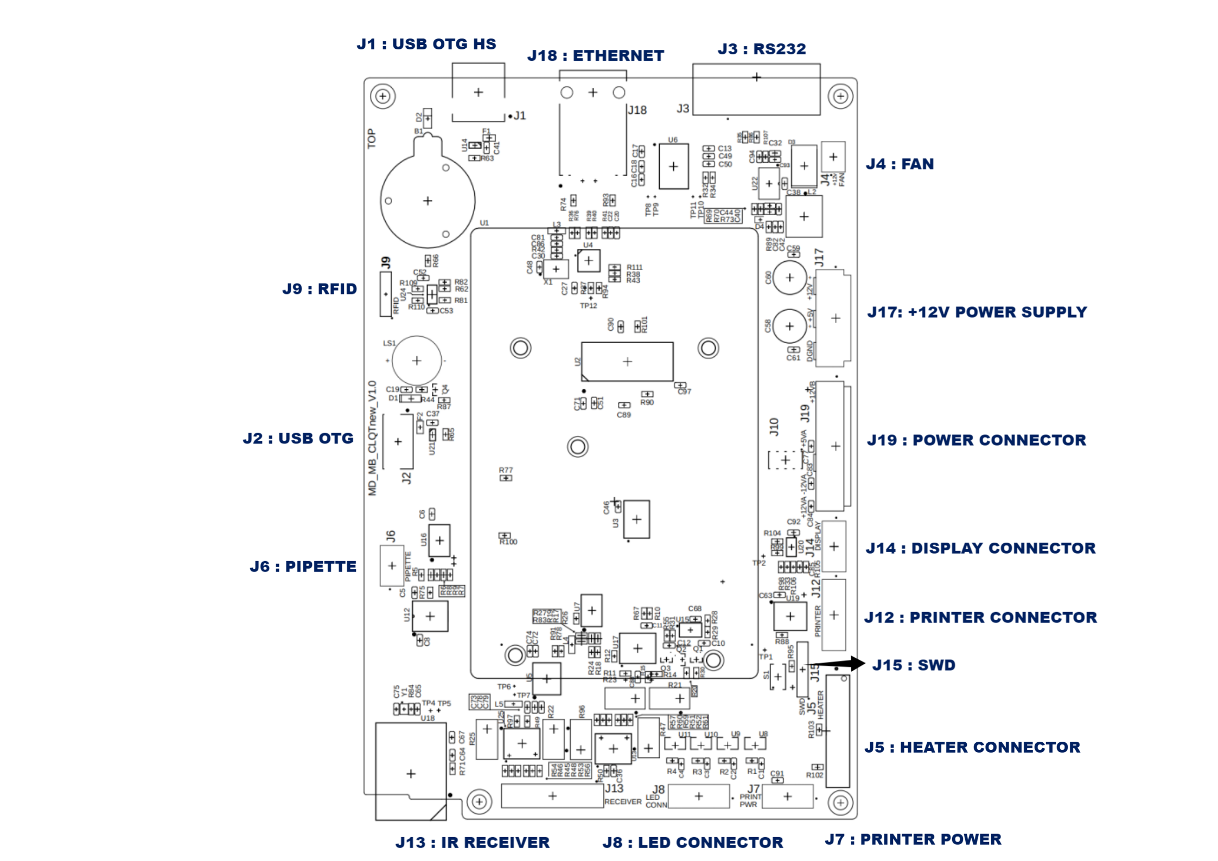
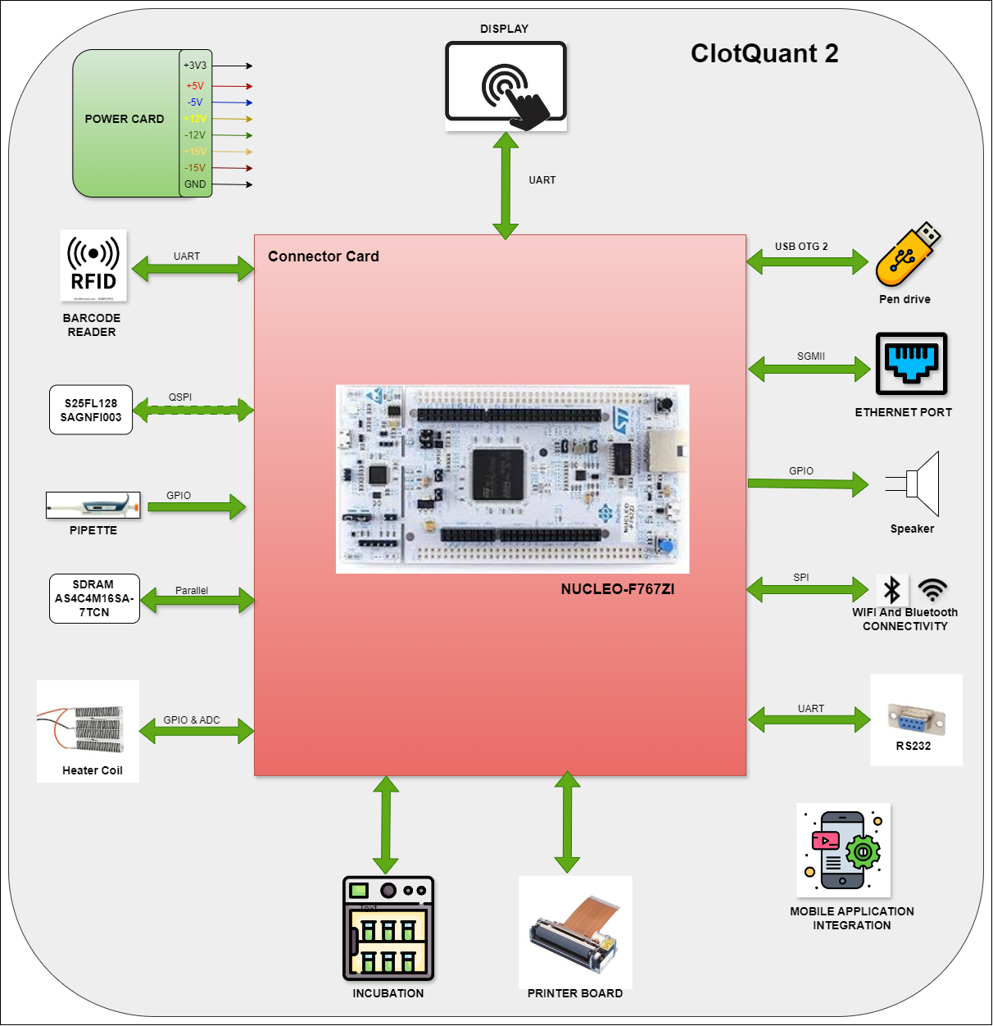 | Connector Mapping

Connection
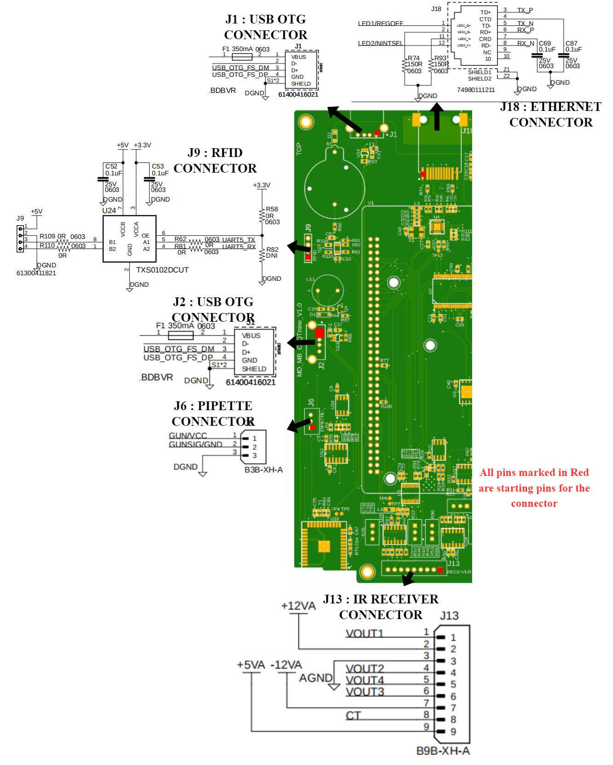
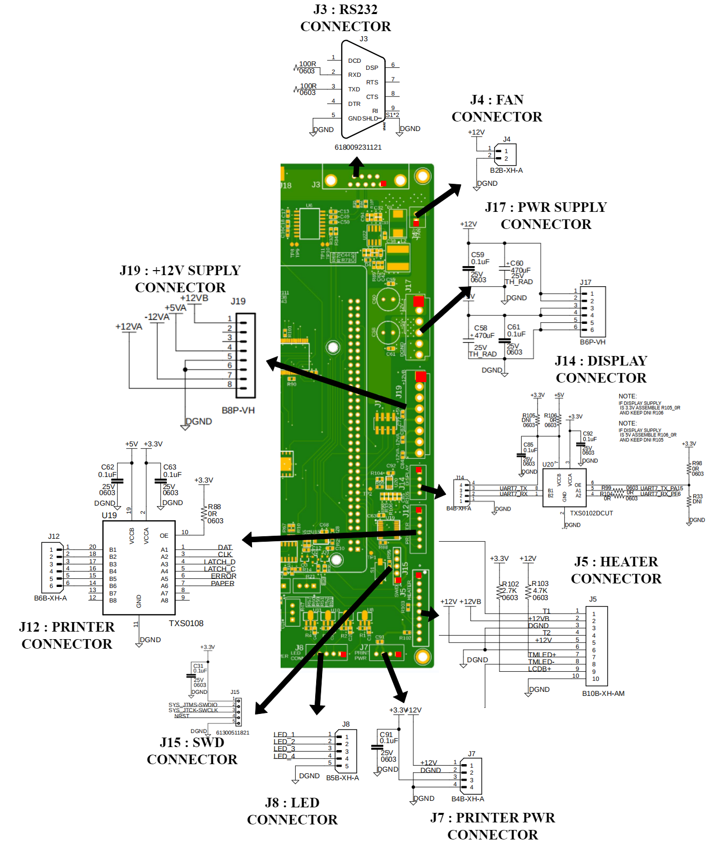
Connector Details - 1 | Connector Details - 1

Design History
<<INDEX
 | Design History

 | List Of DNI Components
 | Reference Designator
 | L6
 | R27, R33, R64, R68, R81, R105
 | U26 (Due to internal Vref of ADC)

 | List Of HW Changes
 | Reference Designator | Date | Change Description | Images | Remark
 | U18 | 2025-04-14 | Connect U18 Pin33 (IRQN) to MCU PB1 pin. | 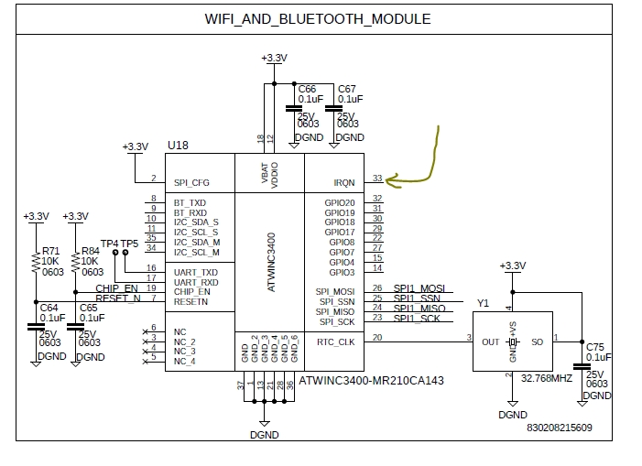 | Changes has been done.
 | J7 | 2025-04-14 | Printer Power J7 pin 3 requires a 5V supply. | 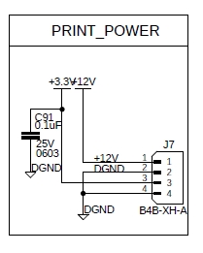 | Changes has been done.
 | R22, R25,R47,R96 | 2025-04-14 | IR receiver op-amp feedback resistor R22, R25,R47,R96 should always be 5K or below. | 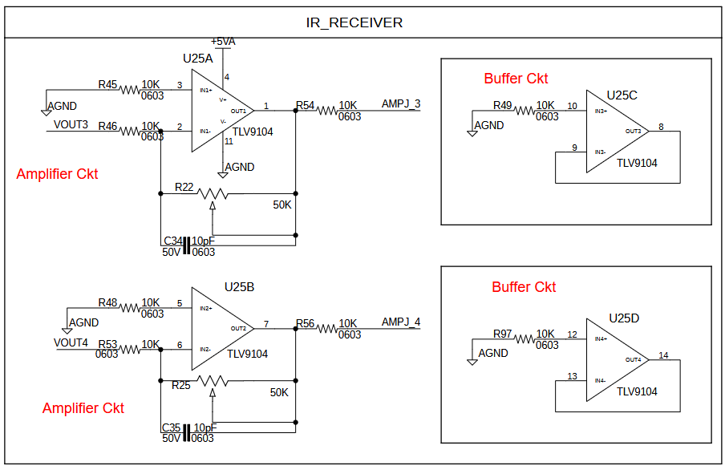 | Have to set manually.
 | R7 | 2025-04-14 | Pipette R7 routing is missing for 3.3V. | 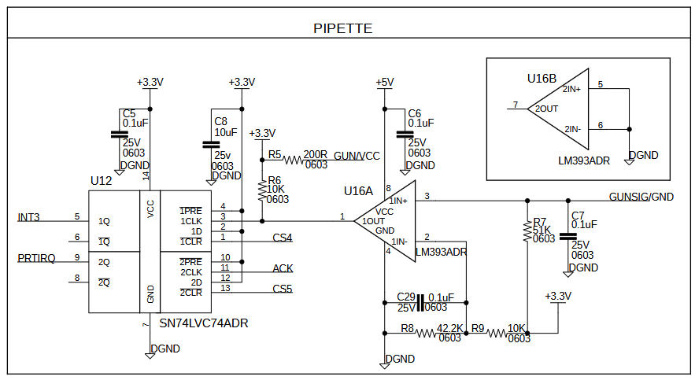 | Changes has been done.
 |  | 2025-04-14 | Connect 12VB to the 12V pin. | 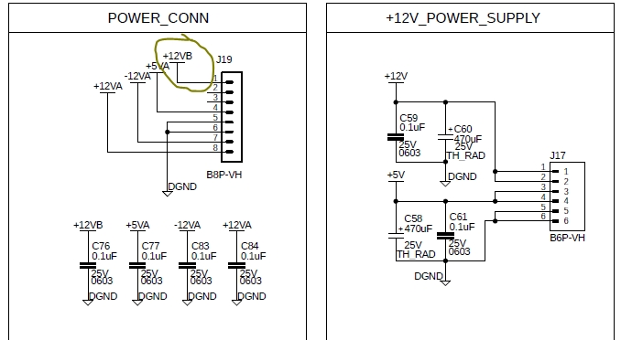 | Changes has been done. Because we have 15V pin from power card.
 | J18 | 2025-04-14 | Align J18 connector properly. |  | Changes has been done.
 | L4 | 2025-04-14 | Need to add ferrite bead between DGND and AGND. | 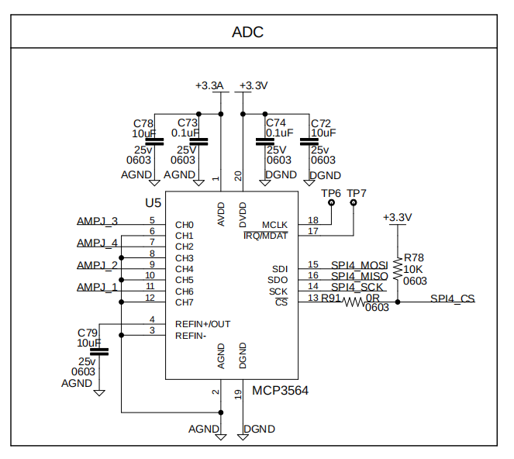 | Changes has been done.
 | R85,R67 | 2025-04-14 | Keep R85 and R67 as zero ohm | 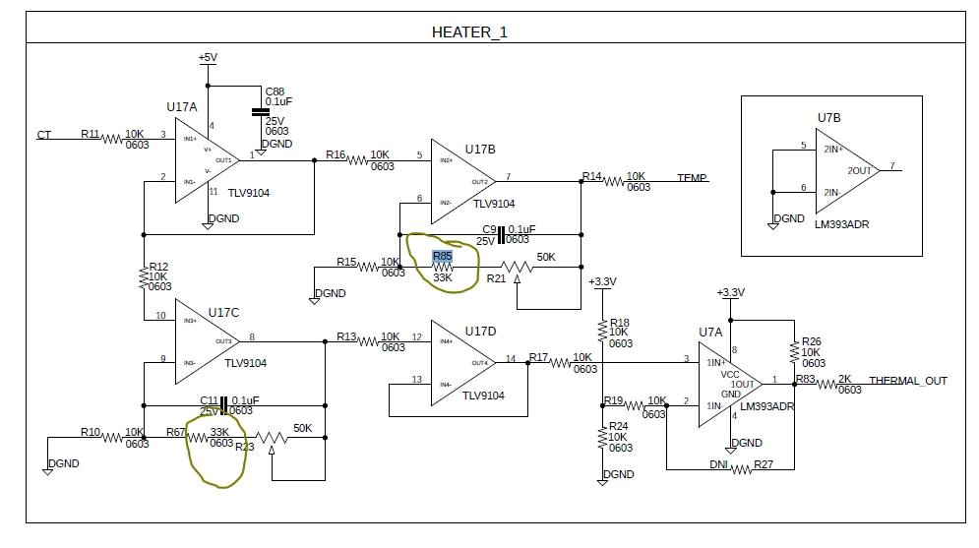 | Have to set manually.
 | R21,R23 | 2025-04-14 | Set R21 and R23 to 20K. | 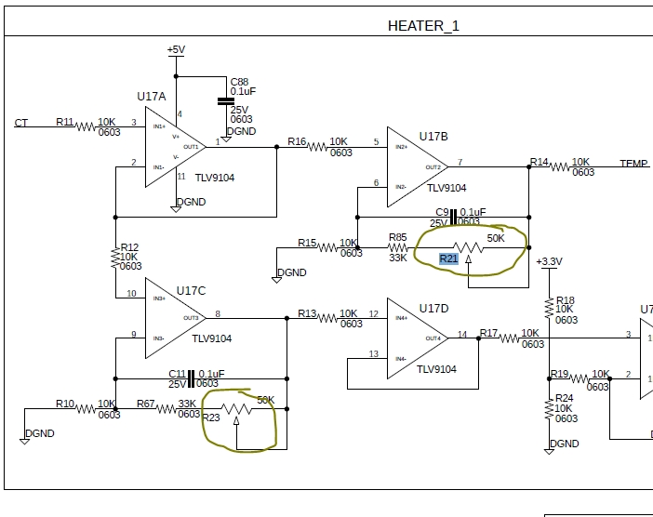 | Changes has been done.
 | J15 | 2025-04-14 | Verify J15 footprint. |  | Changes has been done. L4 changed to R112 which is 0 ohm.
 | L4 | 2025-04-14 | Keep L4 as zero ohm | 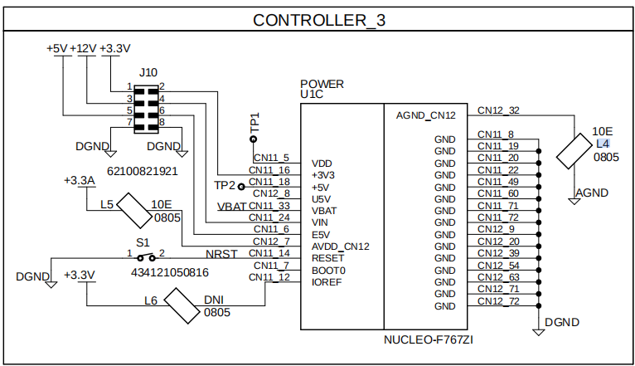 | Changes has been done.
 | J14 | 2025-04-14 | J14 connector +5V supply trace width need to increase | 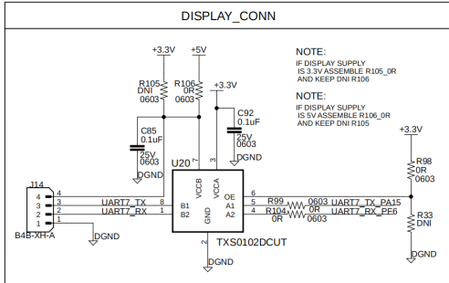 | Changes has been done. Updated on controller page.
 | U6 | 2025-04-14 | Change U6 package to small SOIC, MFR PN: MAX3232CDR. | 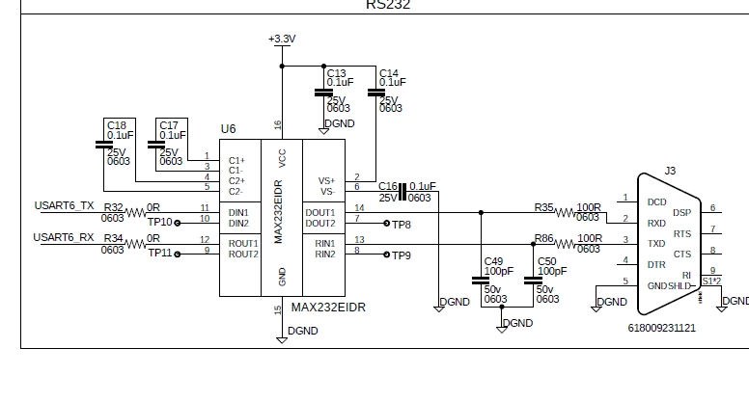 | Changes has been done.
 | R108 | 2025-04-14 | Keep the value of R108 as 100K ohm. | 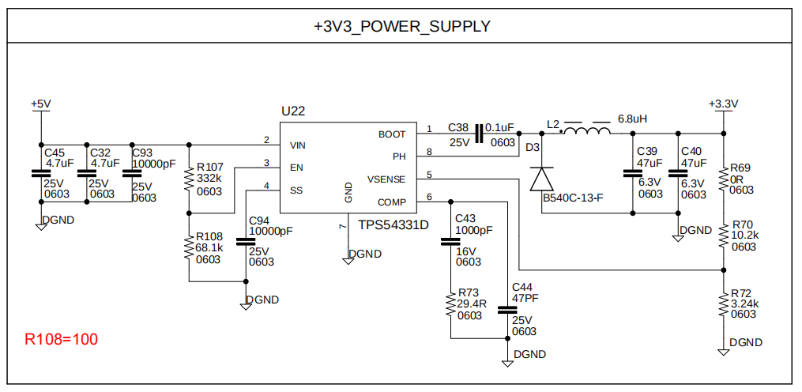 | Changes has been done.
 | J10 | 2025-04-14 | Add power supply marking for J10 connector on the silkscreen. | 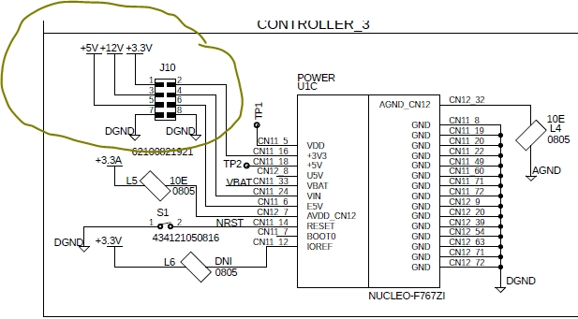 | Changes has been done in silkscreen.
 | J19 | 2025-08-21 | Changed the power supply connectors (replacing 2 connectors from earlier versions into single connector) | 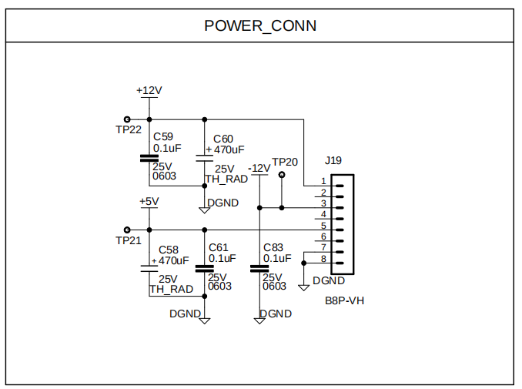 | Changes has been done.
 | J11 | 2025-08-21 | Added a separate connector near J6 (Pipette connector) for extra peripherals to add in future. | 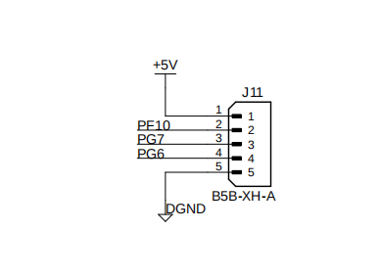 | Changes has been done.
 | J9 | 2025-08-21 | Changed connector for new RFID module. | 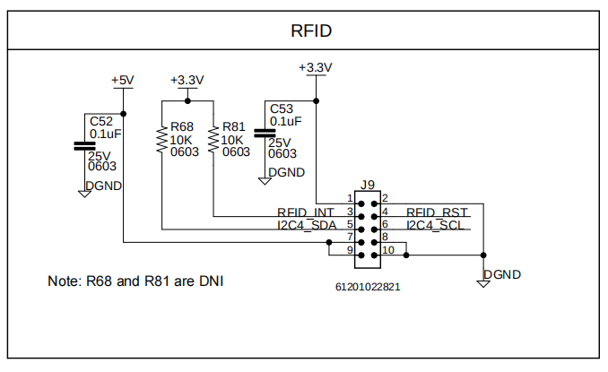 | Changes has been done.

 |  | SOM Change
 | SB127,SB125,SB133,SB132 |  | Remove SB127,SB125,SB133,SB132 | 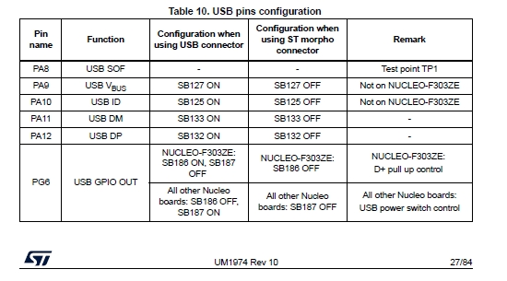
 | SB13,SB160,SB164,SB178,SB181,SB182,SB183 |  | Remove SB13,SB160,SB164,SB178,SB181,SB182,SB183 | 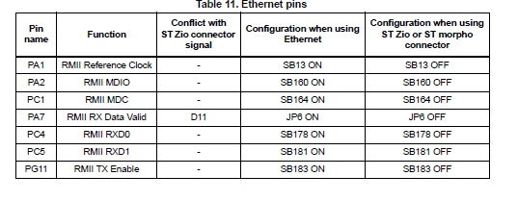
 | JP6, JP7 |  | Remove JP6, JP7 | 
 | JP3 Vin_5 |  | JP3 Vin_5 jumper always keep connected
 | X3 |  | X3 need to solder MFR PN- NX3225GD-8.000M-EXS00A-CG04874 | 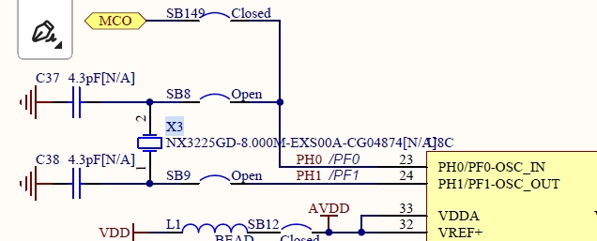
 | C37,C38 |  | Solder C37,C38 10pf/4.3 PF
 | SB8,SB9 |  | Solder SB8,SB9 zero Ohm res
 |  |  | Disconnect the Nucleo programmer.

<<INDEX

Supply Rails
<<INDEX
 |  |  |  | Supply Rails Measurement

 | Test Group | CQ2BB3
 | Test Ref No. | CQ2BB3
 | Test Engineer | Harshit Shakya
 | Test Date | 2025-08-25
 | Hardware Details | MD_MB_CLQTnew_V3
 | Firmware Version | NA
 | Software version | NA
 | Test Name | Supply Rail and Ripple Measurements
 | Test Case objective | To verify tolerance and ripple of supply rail to be within +- 5 %
 | Test Case Procedure | Process - - Connect the Board to Back Panel and Power Card. - Turn on +12V to Power Card. - Measure and capture voltage +1.1V w.r.t. DGND - Measure and capture Ripple for + 1.8V w.r.t. DGND - Measure and capture voltage +1.2V w.r.t. DGND - Measure and capture Ripple for +3.3V w.r.t. DGND - Measure and capture voltage +5V w.r.t. DGND - Measure and capture Ripple for +0.85 w.r.t. DGND

 | +12V Rail Voltage |  |  |  | +12V Ripple Voltage
 | Low Voltage Differential Probe Settings | Coupling | DC |  | Low Voltage Differential Probe Settings | Coupling | AC
 |  | Gain | 1 |  |  | Gain | 1
 |  | Bandwidth | FULL |  |  | Bandwidth | FULL
 | Scope Settings | Coupling | DC |  | Scope Settings | Coupling | AC
 |  | Bandwidth | FULL |  |  | Bandwidth | FULL
 |  | Trigger | Rising Edge |  |  | Trigger | Rising Edge
 | 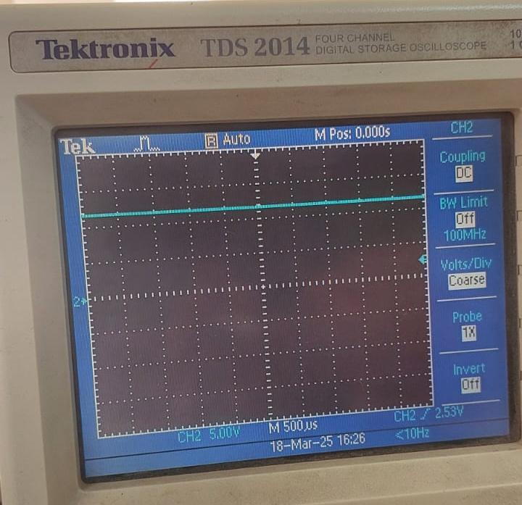 |  |  |  | 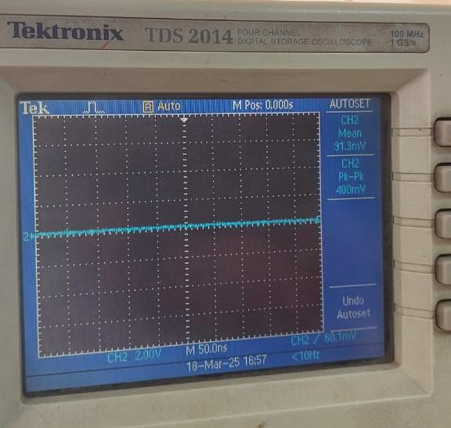

 | Expected Voltage |  | Observed Voltage |  | Expected Voltage |  | Observed Ripple Voltage
 | Test Result | PASS |  |  | Test Result | PASS

 | +5V Rail Voltage |  |  |  | +5V Ripple Voltage
 | Low Voltage Differential Probe Settings | Coupling | DC |  | Low Voltage Differential Probe Settings | Coupling | AC
 |  | Gain | 1 |  |  | Gain | 1
 |  | Bandwidth | FULL |  |  | Bandwidth | FULL
 | Scope Settings | Coupling | DC |  | Scope Settings | Coupling | AC
 |  | Bandwidth | FULL |  |  | Bandwidth | FULL
 |  | Trigger | Rising Edge |  |  | Trigger | Rising Edge
 | 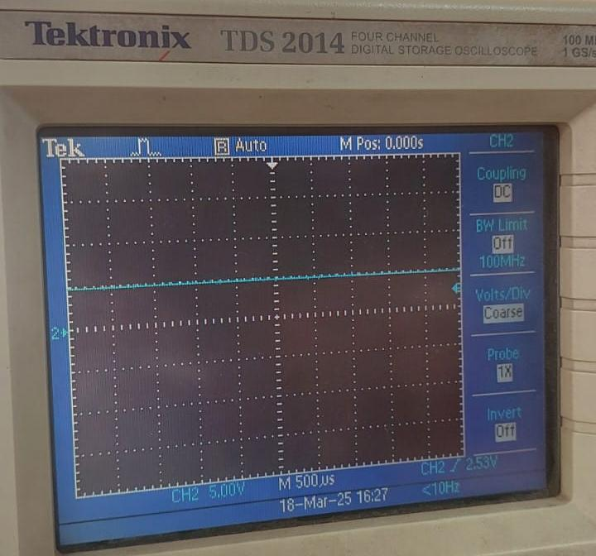 |  |  |  | 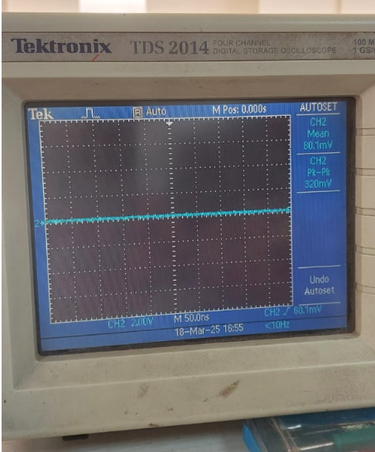

 | Expected Voltage |  | Observed Voltage |  | Expected Voltage |  | Observed Ripple Voltage
 | Test Result | PASS |  |  | Test Result | PASS

 | +3.3V Rail Voltage |  |  |  | +3.3V Ripple Voltage
 | Low Voltage Differential Probe Settings | Coupling | DC |  | Low Voltage Differential Probe Settings | Coupling | AC
 |  | Gain | 1 |  |  | Gain | 1
 |  | Bandwidth | FULL |  |  | Bandwidth | FULL
 | Scope Settings | Coupling | DC |  | Scope Settings | Coupling | AC
 |  | Bandwidth | FULL |  |  | Bandwidth | FULL
 |  | Trigger | Rising Edge |  |  | Trigger | Rising Edge
 | 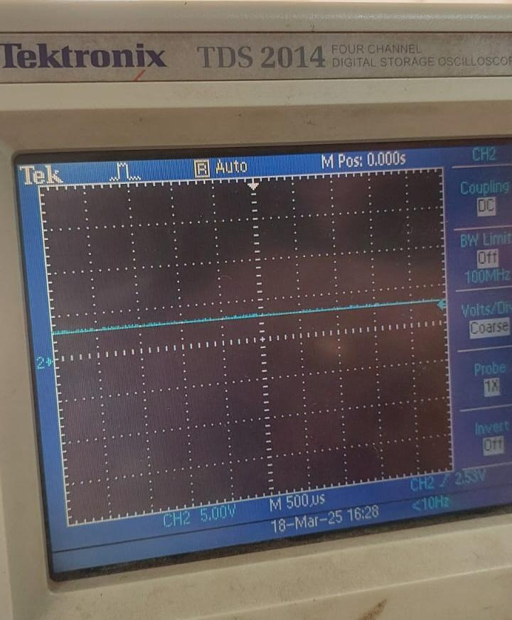 |  |  |  | 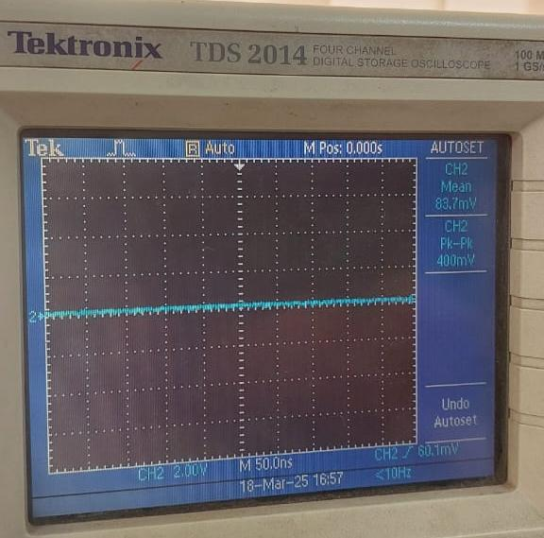

 | Expected Voltage |  | Observed Voltage |  | Expected Voltage |  | Observed Ripple Voltage
 | Test Result | PASS |  |  | Test Result | PASS

 | -12V Rail Voltage |  |  |  | -12V Ripple Voltage
 | Low Voltage Differential Probe Settings | Coupling | DC |  | Low Voltage Differential Probe Settings | Coupling | AC
 |  | Gain | 1 |  |  | Gain | 1
 |  | Bandwidth | FULL |  |  | Bandwidth | FULL
 | Scope Settings | Coupling | DC |  | Scope Settings | Coupling | AC
 |  | Bandwidth | FULL |  |  | Bandwidth | FULL
 |  | Trigger | Rising Edge |  |  | Trigger | Rising Edge
 | 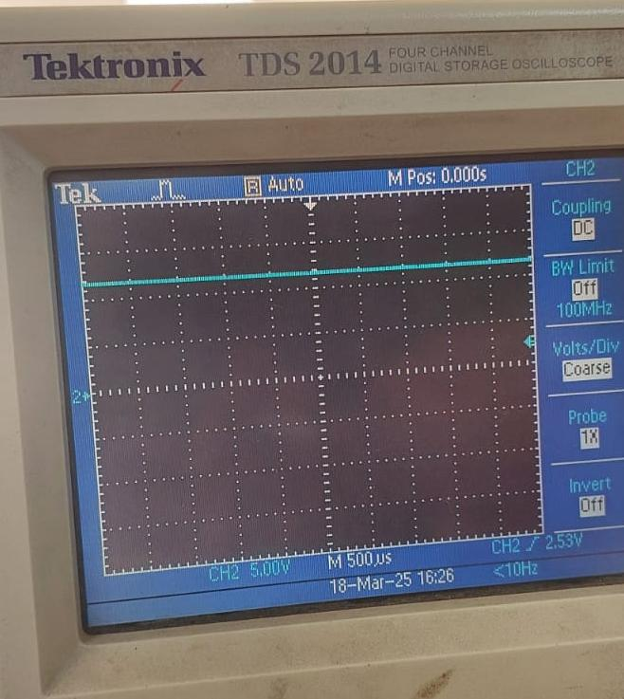 |  |  |  | 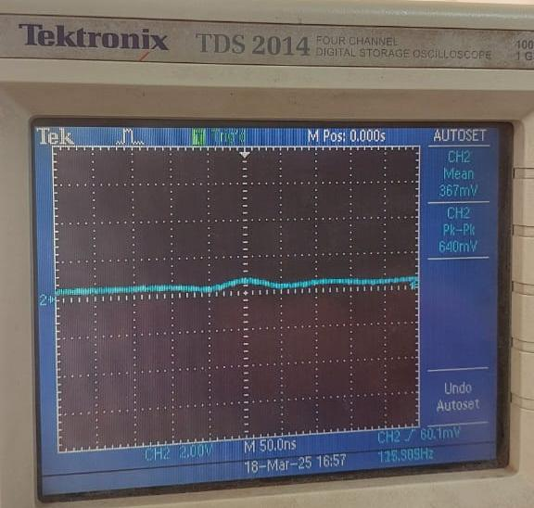

 | Expected Voltage |  | Observed Voltage |  | Expected Voltage |  | Observed Ripple Voltage
 | Test Result | PASS |  |  | Test Result | PASS

 |  |  | Test Result | PASS

<<INDEX

SWD LED CODE FLASH
<<INDEX
 | SWD LED CODE FLASH

 | Test Group | CQ2BB4
 | Test Ref No. | CQ2BB4
 | Test Engineer | Harshit Shakya
 | Test Date | 2025-08-25
 | Hardware Details | MD_MB_CLQTnew_V3
 | Firmware Version | V1.0
 | Software version | STM32CubeIDE Version: 1.19.0
 | Test Name | Serial Wire Debugger LED code flash test
 | Test Case Objective | To verify functionality of Serial Wire Debugger
 | Test Case Procedure | 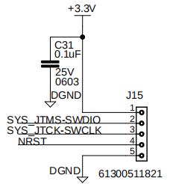 Process - - Use connector J15 for SWD Debugger. - Power On the Board. - Connect SWD debugger (SWDIO, SWCLK, GND, NRST). - Verify MCU detection in the debugger tool or STM32CubeIDE. - Write simple LED blink code. - Reset the MCU after flashing. - Observe LED blinking.

 |  |  | Expected Result | Observed Result | Test Result
 |  |  |  | 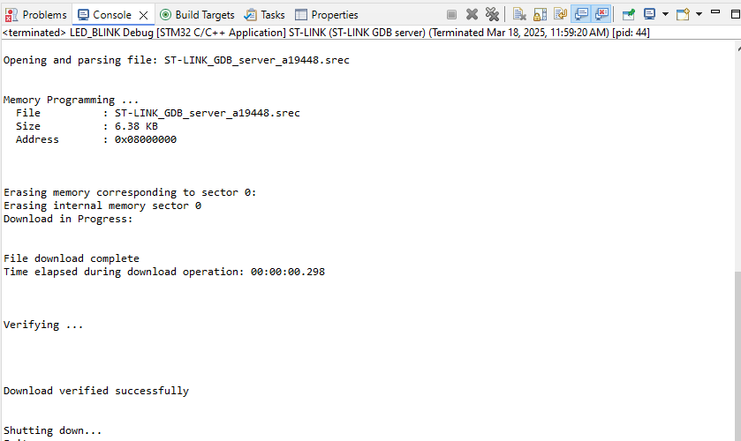 | PASS

 |  |  | Test Result | PASS
<<INDEX

Temprature Sensor
<<INDEX
 | Temperature Sensor

 | Test Group | CQ2BB5
 | Test Ref No. | CQ2BB5
 | Test Engineer | Harshit Shakya
 | Test Date | 2025-08-25
 | Hardware Details | MD_MB_CLQTnew_V3
 | Firmware Version | V1.0
 | Software version | STM32CubeIDE Version: 1.19.0
 | Test Name | Temperature Sensor Test
 | Test Case Objective | To verify functionality of Temperature Sensor
 | Test Case Procedure | 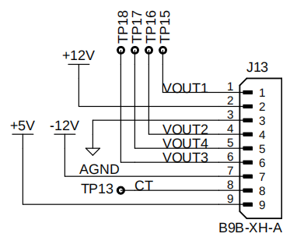 Process - - Use connector J13 for Temperature Sensor (CT from J13). - Power On the System Manager Board. - Configure the ADC for 12-bit resolution in the firmware. -Flash the firmware to the Nucleo board. -Reset the board after flashing. -Read ADC values and convert them to temperature. -Verify sensor output with expected temperature range.

 |  |  | Expected Result | Observed Result | Test Result
 |  |  |  | 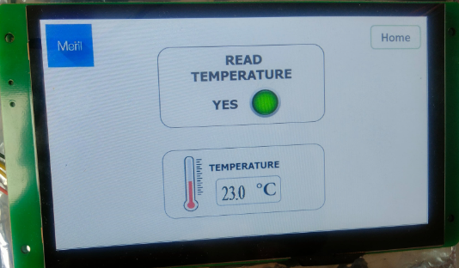 | PASS

 |  |  | Test Result | PASS
<<INDEX

Display Test
<<INDEX
 | Display Test

 | Test Group | CQ2BB6
 | Test Ref No. | CQ2BB6
 | Test Engineer | Harshit Shakya
 | Test Date | 2025-08-25
 | Hardware Details | MD_MB_CLQTnew_V3
 | Firmware Version | V1.0
 | Software version | STM32CubeIDE Version: 1.19.0
 | Test Name | Display Test
 | Test Case Objective | To verify functionality of Display
 | Test Case Procedure | 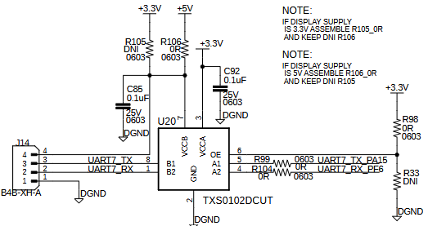 Process - - Use connector J14 for Display. - Power On the System Manager Board. - Connect the 7-inch UART display to the MCU (TX, RX, GND, VCC). -Initialize UART communication in the firmware. -Verify the received data from display. -Receive the data from display and perform LED operation. -Flash the firmware to the Nucleo board. -Reset the board after flashing. -Test touch inputs and verify correct data reception.

 |  |  | Expected Result | Observed Result | Test Result
 |  |  |  | 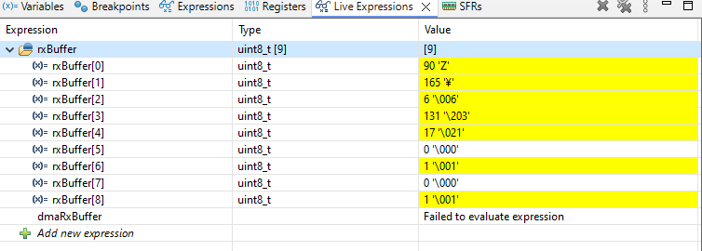 | PASS
 |  |  |  | 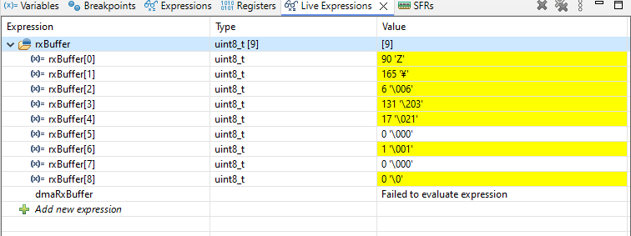

 |  |  | Test Result | PASS
<<INDEX

Pipette
<<INDEX
 | Pipette Test

 | Test Group | CQ2BB7
 | Test Ref No. | CQ2BB7
 | Test Engineer | Harshit Shakya
 | Test Date | 2025-08-25
 | Hardware Details | MD_MB_CLQTnew_V3
 | Firmware Version | V1.0
 | Software version | STM32CubeIDE Version: 1.19.0
 | Test Name | Pipette Test
 | Test Case Objective | To verify functionality of Pipette
 | Test Case Procedure | 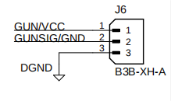 Process - - Use connector J6 for Pipette. - Power On the System Manager Board. - Connect the Pipette to Board - Press pipette Buton - Monitor the PC10 pin, if PC10 Pin High Send the puls on nucleo CS4 pin.

 |  |  | Expected Result | Observed Result | Test Result
 |  |  |  | Pipette is working properly. | PASS

 |  |  | Test Result | PASS
<<INDEX

Wifi module
<<INDEX
 | Wifi Module Test

 | Test Group | CQ2BB8
 | Test Ref No. | CQ2BB8
 | Test Engineer | Harshit Shakya
 | Test Date | 2025-08-25
 | Hardware Details | MD_MB_CLQTnew_V3
 | Firmware Version | V1.0
 | Software version | STM32CubeIDE Version: 1.19.0
 | Test Name | Wifi Module Test
 | Test Case Objective | To verify functionality of Wifi Module
 | Test Case Procedure | Process - - Power On the System Manager Board. - Initialize communication in the firmware and driver files. - Configure the Wi-Fi module to connect to a network (SSID, password). - Flash the firmware to the Nucleo board. - Reset the board after flashing. - Verify connection by pinging a server or checking an IP address.

 |  |  | Expected Result | Observed Result | Test Result
 |  |  |  | 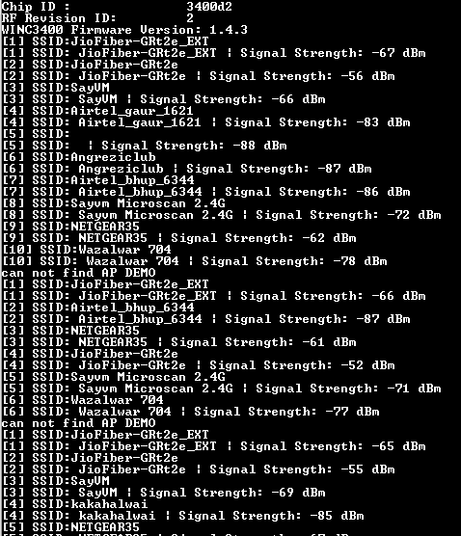 | PASS

 |  |  | Test Result | PASS
<<INDEX

BLE
<<INDEX
 | BLE Test

 | Test Group | CQ2BB9
 | Test Ref No. | CQ2BB9
 | Test Engineer | Harshit Shakya
 | Test Date | 2025-08-25
 | Hardware Details | MD_MB_CLQTnew_V3
 | Firmware Version | V1.0
 | Software version | STM32CubeIDE Version: 1.19.0
 | Test Name | BLE Test
 | Test Case Objective | To verify functionality of BLE
 | Test Case Procedure | Process - - Power On the System Manager Board. - Initialize communication in the firmware. - Configure the BLE module in driver files. - Flash the firmware to the Nucleo board. - Reset the board after flashing. - Scan and connect using a BLE-enabled device (mobile app or another module). - Verify the connection of BLE and BLE address.

 |  |  | Expected Result | Observed Result | Test Result
 |  |  |  | 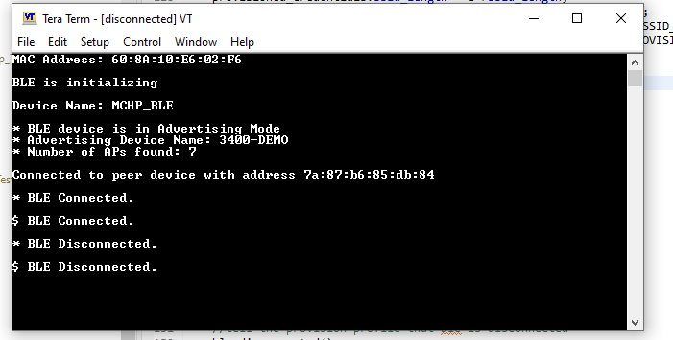 | PASS
 |  |  |  | 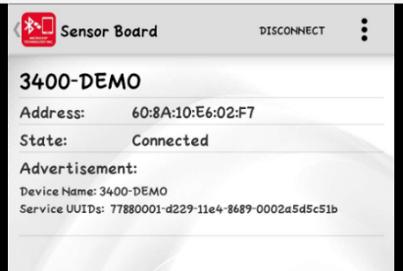

 |  |  | Test Result | PASS

<<INDEX

USB OTG1 Test
<<INDEX
 | USB Test

 | Test Group | CQ2BB10
 | Test Ref No. | CQ2BB10
 | Test Engineer | Harshit Shakya
 | Test Date | 2025-08-25
 | Hardware Details | MD_MB_CLQTnew_V3
 | Firmware Version | V1.0
 | Software version | STM32CubeIDE Version: 1.19.0
 | Test Name | USB OTG1 Test
 | Test Case Objective | To verify functionality of USB
 | Test Case Procedure | 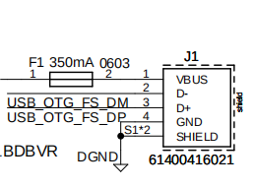 Process - - Use connector J1 for USB OTG1. - Power On the System Manager Board. - Connect the USB OTG adapter and pen drive to the board. - Initialize USB Host mode in the firmware. - Detect the USB device connection. - Mount the file system on the pen drive. - Read and write a test file to verify functionality. - Flash the firmware to the Nucleo board. - Reset the board after flashing. - Verify data integrity by checking the file contents.

 |  | Expected Result | Observed Result | Test Result
 |  |  | 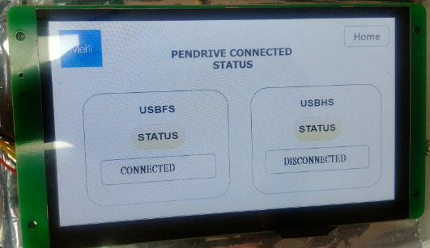 | PASS

 |  | Test Result | PASS
 | <<INDEX

USB OTG2 Test
<<INDEX
 | USB Test

 | Test Group | CQ2BB11
 | Test Ref No. | CQ2BB11
 | Test Engineer | Harshit Shakya
 | Test Date | 2025-08-25
 | Hardware Details | MD_MB_CLQTnew_V3
 | Firmware Version | V1.0
 | Software version | STM32CubeIDE Version: 1.19.0
 | Test Name | USB OTG2 Test
 | Test Case Objective | To verify functionality of USB
 | Test Case Procedure | Process - - Use connector J2 for USB OTG2. - Power On the System Manager Board. - Connect the USB OTG adapter and pen drive to the board. - Initialize USB Host mode in the firmware. - Detect the USB device connection. - Mount the file system on the pen drive. - Read and write a test file to verify functionality. - Flash the firmware to the Nucleo board. - Reset the board after flashing. - Verify data integrity by checking the file contents.

 |  | Expected Result | Observed Result | Test Result
 |  |  | 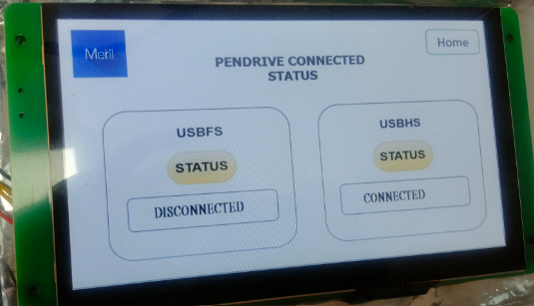 | PASS

 |  | Test Result | PASS
 | <<INDEX

RFID
<<INDEX
 | RFID Test

 | Test Group | CQ2BB12
 | Test Ref No. | CQ2BB12
 | Test Engineer | Harshit Shakya
 | Test Date | 2025-08-25
 | Hardware Details | MD_MB_CLQTnew_V3
 | Firmware Version | V1.0
 | Software version | STM32CubeIDE Version: 1.19.0
 | Test Name | RFID Test
 | Test Case Objective | To verify functionality of RFID
 | Test Case Procedure | 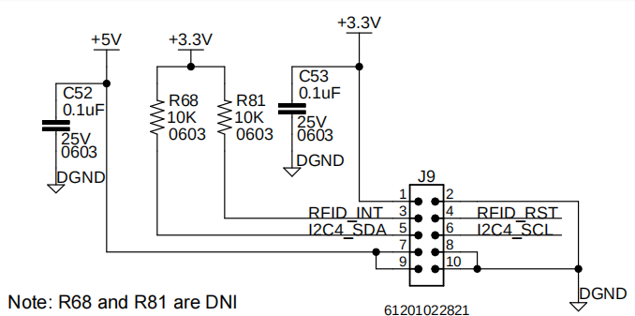 Process - - Use connector J9 for RFID. - Power On the System Manager Board. - Connect the RFID module to the MCU - Initialize communication in the firmware. - Send a test command to check module response. - Flash the firmware to the Nucleo board. - Reset the board after flashing. - Scan an RFID tag and read its unique ID. - Verify the received data with expected values.

 |  |  | Expected Result | Observed Result | Test Result
 |  |  |  | 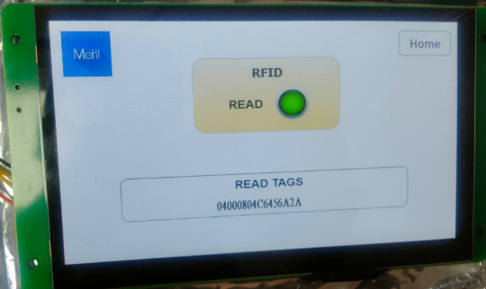 | PASS

 |  |  | Test Result | PASS
<<INDEX

Printer
<<INDEX
 | Printer Test

 | Test Group | CQ2BB13
 | Test Ref No. | CQ2BB13
 | Test Engineer | Harshit Shakya
 | Test Date | 2025-08-25
 | Hardware Details | MD_MB_CLQTnew_V3
 | Firmware Version | v1.0
 | Software version | STM32CubeIDE Version: 1.19.0
 | Test Name | Printer Test
 | Test Case Objective | To verify functionality of Printer
 | Test Case Procedure | 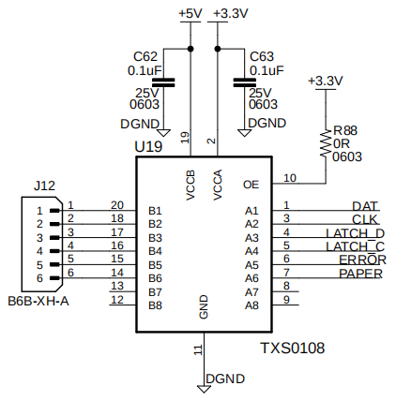 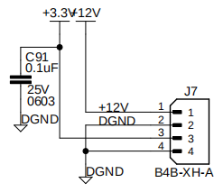 Process - - Use connector J7 for Printer Power and J12 for Pinter Connection. - Power On the System Manager Board. -Initialize communication in the firmware. -Send a test print command (e.g., "Hello, World!"). -Flash the firmware to the Nucleo board. - Reset the board after flashing. - Verify that the printer prints the test message correctly.

 |  |  | Expected Result | Observed Result | Test Result
 |  |  |  | 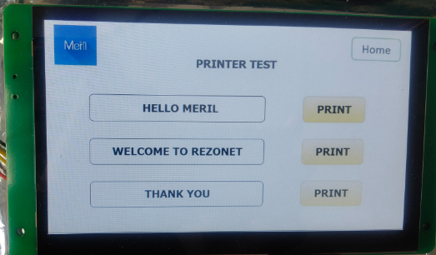 | PASS

 |  |  | Test Result | PASS
<<INDEX

Ethernet
<<INDEX
 | Ethernet Test

 | Test Group | CQ2BB14
 | Test Ref No. | CQ2BB14
 | Test Engineer | Harshit Shakya
 | Test Date | 2025-08-25
 | Hardware Details | MD_MB_CLQTnew_V3
 | Firmware Version | V1.0
 | Software version | STM32CubeIDE Version: 1.19.0
 | Test Name | Ethernet Test
 | Test Case Objective | To verify functionality of Ethernet
 | Test Case Procedure |  Process - - Use connector J18 for Ethernet Testing. - Power On the System Manager Board. - Connect the board to a network via an Ethernet cable. - Initialize the Ethernet interface in the firmware. - Flash the firmware to the Nucleo board. - Reset the board after flashing. - Obtain an IP address via DHCP or set a static IP. - Ping the board from a PC to verify connectivity. - Test data transmission by sending and receiving packets.

 |  | Expected Result | Observed Result | Test Result
 |  | Ping from both sides should result in verifying correct link establishment |  | PASS
 |  |  | 
 |  |  | 

 |  | Test Result | PASS

<<INDEX

Heater
<<INDEX
 | Heater Test

 | Test Group | CQ2BB15
 | Test Ref No. | CQ2BB15
 | Test Engineer | Harshit Shakya
 | Test Date | 2025-08-25
 | Hardware Details | MD_MB_CLQTnew_V3
 | Firmware Version | V1.0
 | Software version | STM32CubeIDE Version: 1.19.0
 | Test Name | Heater Test
 | Test Case Objective | To verify functionality of Heater
 | Test Case Procedure |  Process - - Use connector J5 for Heater. - Power On the System Manager Board. - Initialize GPIO output for heater control in the firmware. - Flash the firmware to the Nucleo board. - Reset the board after flashing. - Send a command or set a condition to turn the heater ON. - Verify heater activation (check voltage or temperature rise). - Send a command or set a condition to turn the heater OFF.

 |  |  | Expected Result | Observed Result | Test Result
 |  |  |  |  | PASS

 |  |  | Test Result | PASS
<<INDEX

SDRAM
<<INDEX
 | SDRAM Memory Test

 | Test Group | CQ2BB16
 | Test Ref No. | CQ2BB16
 | Test Engineer | Harshit Shakya
 | Test Date | 2025-08-25
 | Hardware Details | MD_MB_CLQTnew_V3
 | Firmware Version | V1.0
 | Software version | STM32CubeIDE Version: 1.19.0
 | Test Name | SDRAM Memory Test
 | Test Case Objective | To verify functionality of SDRAM Memory
 | Test Case Procedure | Process - - Power On the System Manager Board. - Initialize SDRAM controller in the firmware. - Flash the firmware to the Nucleo board. - Reset the board after flashing. - Perform a write test (store known data in SDRAM). - Perform a read test (verify stored data matches expected values). - Verify data integrity and SDRAM stability.

 |  |  | Expected Result | Observed Result | Test Result
 |  |  |  |  | PASS

 |  |  | Test Result | PASS

<<INDEX

QSPI Flash
<<INDEX
 | QSPI Flash Test

 | Test Group | CQ2BB17
 | Test Ref No. | CQ2BB17
 | Test Engineer | Harshit Shakya
 | Test Date | 2025-08-25
 | Hardware Details | MD_MB_CLQTnew_V3
 | Firmware Version | V1.0
 | Software version | STM32CubeIDE Version: 1.19.0
 | Test Name | QSPI Flash Test
 | Test Case Objective | To verify functionality of QSPI Flash
 | Test Case Procedure | Process - - Power On the System Manager Board. - Flash the firmware to the Nucleo board. - Reset the board after flashing. - Perform a write test (store known data in QSPI memory). - Perform a read test (verify stored data matches expected values). - Run an erase test and verify memory clearing. - Check data integrity and QSPI performance

 |  |  | Expected Result | Observed Result | Test Result
 |  |  |  |  | PASS

 |  |  | Test Result | PASS

<<INDEX

ADC
<<INDEX
 | ADC Test

 | Test Group | CQ2BB18
 | Test Ref No. | CQ2BB18
 | Test Engineer | Harshit Shakya
 | Test Date | 2025-08-25
 | Hardware Details | MD_MB_CLQTnew_V3
 | Firmware Version | V1.0
 | Software version | STM32CubeIDE Version: 1.19.0
 | Test Name | ADC Test
 | Test Case Objective | To verify functionality of ADC
 | Test Case Procedure | Process - - Power On the System Manager Board. - Configure SPI settings in the firmware (clock speed, mode, data format). - Flash the firmware to the Nucleo board. - Reset the board after flashing. - Read ADC values from the connected channels. - Convert raw ADC data to voltage values. - Verify readings using a known voltage source or sensor input.

 |  |  | Expected Result | Observed Result | Test Result
 |  |  |  |  | PASS

 |  |  | Test Result | PASS

<<INDEX

IR LED test
<<INDEX
 | IR LED Test

 | Test Group | CQ2BB19
 | Test Ref No. | CQ2BB19
 | Test Engineer | Harshit Shakya
 | Test Date | 2025-08-25
 | Hardware Details | MD_MB_CLQTnew_V3
 | Firmware Version | NA
 | Software version | NA
 | Test Name | IR LED Test
 | Test Case Objective | To verify IR LED working properly
 | Test Case Procedure |  Process - - Use connector J8 for IR LED Testing. - Power On the System Manager Board. - Expose the photo transistor to different light levels. - Read ADC values and convert them to voltage. - Verify response by observing voltage changes with varying light intensity.

 |  |  | Expected Result | Observed Result | Test Result
 |  |  |  | IR LED is working properly. | PASS

 |  |  | Test Result | PASS
<<INDEX

RS232
<<INDEX
 | RS232 Test

 | Test Group | CQ2BB20
 | Test Ref No. | CQ2BB20
 | Test Engineer | Harshit Shakya
 | Test Date | 2025-08-25
 | Hardware Details | MD_MB_CLQTnew_V3
 | Firmware Version | V1.0
 | Software version | STM32CubeIDE Version: 1.19.0
 | Test Name | RS232 Test
 | Test Case Objective | To verify functionality of RS232
 | Test Case Procedure |  Process - - Use connector J3 for RS232 Testing. - Power On the System Manager Board. - Configure UART settings in the firmware (baud rate, parity, stop bits). - Flash the firmware to the Nucleo board. - Reset the board after flashing. - Send a test message from the MCU over RS232. - Receive the message on a PC or another device using a serial terminal. - Verify data integrity by checking if the sent and received messages match.

 |  |  | Expected Result | Observed Result | Test Result
 |  |  |  |  | PASS

 |  |  | Test Result | PASS
<<INDEX

FAN
<<INDEX
 | FAN Test

 | Test Group | CQ2BB22
 | Test Ref No. | CQ2BB22
 | Test Engineer | Harshit Shakya
 | Test Date | 2025-08-25
 | Hardware Details | MD_MB_CLQTnew_V3
 | Firmware Version | NA
 | Software version | NA
 | Test Name | Fan Test
 | Test Case Objective | To verify Fan working properly
 | Test Case Procedure |  Process - - Use connector J14 for Fan Testing. - Power ON the System Manager Board. - Connect the FAN.

 |  |  | Expected Result | Observed Result | Test Result
 |  |  |  | Fan is working properly. | PASS

 |  |  | Test Result | PASS
<<INDEX

RTC
<<INDEX
 | RTC Test

 | Test Group | CQ2BB23
 | Test Ref No. | CQ2BB23
 | Test Engineer | Harshit Shakya
 | Test Date | 2025-08-25
 | Hardware Details | MD_MB_CLQTnew_V3
 | Firmware Version | V1.0
 | Software version | STM32CubeIDE Version: 1.18.0
 | Test Name | RTC Test
 | Test Case Objective | To verify the functionality of RTC.
 | Test Case Procedure | Process - - Power On the System Manager Board. - Connect a backup battery (if required) to the RTC module. - Initialize the RTC peripheral in the firmware. - Flash the firmware to the Nucleo board. - Reset the board after flashing. - Set the current date and time in the RTC. - Read and display the RTC time. - Power cycle the board and verify if the RTC maintains the correct time.

 |  |  | Expected Result | Observed Result | Test Result
 |  |  |  |  | PASS

 |  |  | Test Result | PASS

<<INDEX

J11
<<INDEX
 | Connector J11 Test

 | Test Group | CQ2BB25
 | Test Ref No. | CQ2BB25
 | Test Engineer | Harshit Shakya
 | Test Date | 2025-08-25
 | Hardware Details | MD_MB_CLQTnew_V3
 | Firmware Version | V1.0
 | Software version | STM32CubeIDE Version: 1.19.0
 | Test Name | Connector J11 Test
 | Test Case Objective | To verify the connector J11 is connected with MCU properly
 | Test Case Procedure |  Process - - Use connector J11 (3-pin GPIO connector). - Power On the Board. - Configure 3 GPIO pins in firmware as digital outputs. - Connect DMM to the 3 GPIO pins and GND. - Toggle each GPIO pin HIGH → LOW in sequence with delay. - Verify voltage transitions on all 3 pins using measurement tool. - Reset the MCU after test execution. - Confirm all GPIO pins return to default LOW state.

 |  |  | Expected Result | Observed Result | Test Result
 |  |  |  |  | UNATTEMPTED

 |  |  | Test Result | UNATTEMPTED
<<INDEX

